Sheet1
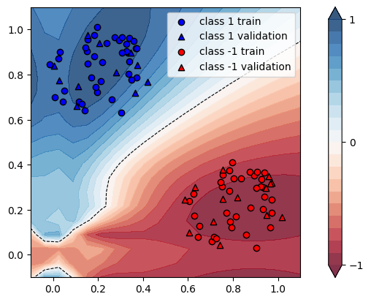
X | Y | conf_60 | guess_60 | conf_100 | guess_100 | increment
[0.05020066 0.72928344] | 1.0 | 0.9397 | Ok | 0.9247 | Ok | -0.015962541237
[0.02479611 0.87115523] | 1.0 | 0.9139 | Ok | 0.9083 | Ok | -0.006127585075
[0.3731405 0.78732966] | 1.0 | 0.902 | Ok | 0.904 | Ok | 0.0022172949002
[0.33227729 0.89872628] | 1.0 | 0.9705 | Ok | 0.9619 | Ok | -0.0088614116435
[0.23718905 0.94071146] | 1.0 | 0.986 | Ok | 0.9729 | Ok | -0.013286004057
[0.29504029 0.95251901] | 1.0 | 0.9829 | Ok | 0.971 | Ok | -0.012107030217
[0.11541028 0.67865776] | 1.0 | 0.9595 | Ok | 0.9462 | Ok | -0.013861386139
[0.19563315 1.01111509] | 1.0 | 0.9652 | Ok | 0.9541 | Ok | -0.011500207211
[-0.01460724 0.84611799] | 1.0 | 0.91 | Ok | 0.9041 | Ok | -0.0064835164835
[0.20484869 0.93837834] | 1.0 | 0.9826 | Ok | 0.9694 | Ok | -0.013433747201
[0.30769505 0.96729623] | 1.0 | 0.9806 | Ok | 0.9688 | Ok | -0.012033448909
[0.32505496 0.90395193] | 1.0 | 0.9739 | Ok | 0.9647 | Ok | -0.0094465550878
[0.10644005 0.65982595] | 1.0 | 0.9513 | Ok | 0.9381 | Ok | -0.013875748975
[0.33901088 0.96418224] | 1.0 | 0.9745 | Ok | 0.9638 | Ok | -0.010979989738
[0.21962928 0.85627161] | 1.0 | 0.991 | Ok | 0.9782 | Ok | -0.012916246216
[0.15520432 0.84847486] | 1.0 | 0.9838 | Ok | 0.9696 | Ok | -0.014433828014
[0.21371691 0.7713161 ] | 1.0 | 0.9821 | Ok | 0.9722 | Ok | -0.010080439874
[0.367226 0.91690362] | 1.0 | 0.9594 | Ok | 0.9519 | Ok | -0.0078173858662
[0.30353295 0.6321049 ] | 1.0 | 0.8306 | Ok | 0.8434 | Ok | 0.015410546593
[0.37168935 0.91842033] | 1.0 | 0.9577 | Ok | 0.9504 | Ok | -0.0076224287355
[0.41878809 0.76740108] | 1.0 | 0.8463 | Ok | 0.8522 | Ok | 0.0069715231006
[0.00397038 0.83911924] | 1.0 | 0.9029 | Ok | 0.8978 | Ok | -0.0056484660538
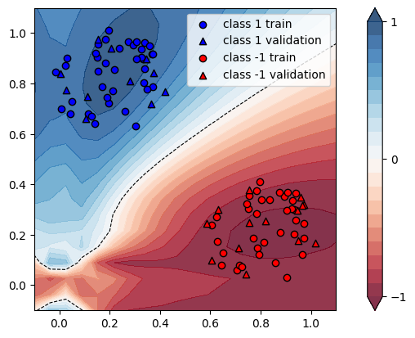
[0.35028477 0.77789897] | 1.0 | 0.9142 | Ok | 0.9154 | Ok | 0.0013126230584
[0.04378651 0.67907107] | 1.0 | 0.928 | Ok | 0.9121 | Ok | -0.01713362069
[0.19481629 0.72327419] | 1.0 | 0.9723 | Ok | 0.9638 | Ok | -0.0087421577702
[0.37347949 0.84359952] | 1.0 | 0.9325 | Ok | 0.93 | Ok | -0.0026809651475
[0.18267175 0.88286975] | 1.0 | 0.9864 | Ok | 0.9726 | Ok | -0.01399026764
[0.35824476 0.94896993] | 1.0 | 0.9678 | Ok | 0.9585 | Ok | -0.0096094234346
[0.15382405 0.95479082] | 1.0 | 0.9655 | Ok | 0.954 | Ok | -0.011910926981
[0.30574872 0.89772566] | 1.0 | 0.9792 | Ok | 0.9692 | Ok | -0.010212418301
[0.15235286 0.90467823] | 1.0 | 0.9753 | Ok | 0.9622 | Ok | -0.013431764585
[0.03111216 0.90093851] | 1.0 | 0.9133 | Ok | 0.9087 | Ok | -0.0050366801708
[0.33892003 0.85923464] | 1.0 | 0.9585 | Ok | 0.9526 | Ok | -0.0061554512259
[0.14038098 0.6423064 ] | 1.0 | 0.9465 | Ok | 0.9385 | Ok | -0.0084521922874
[0.17199372 0.78754455] | 1.0 | 0.9873 | Ok | 0.9738 | Ok | -0.013673655424
[0.18303405 0.97491121] | 1.0 | 0.9703 | Ok | 0.9584 | Ok | -0.012264248171
[0.02692082 0.77453665] | 1.0 | 0.9245 | Ok | 0.9131 | Ok | -0.012330989724
[0.345916 0.8977508] | 1.0 | 0.9648 | Ok | 0.9571 | Ok | -0.0079809286899
[0.00703957 0.70023188] | 1.0 | 0.9042 | Ok | 0.8911 | Ok | -0.014487945145
[0.36671575 0.72064716] | 1.0 | 0.8555 | Ok | 0.863 | Ok | 0.0087668030392
[0.14400785 0.92182066] | 1.0 | 0.9691 | Ok | 0.9568 | Ok | -0.012692188629
[0.12668759 0.67163767] | 1.0 | 0.9589 | Ok | 0.947 | Ok | -0.012410053186
[0.32630409 0.93758211] | 1.0 | 0.9767 | Ok | 0.9663 | Ok | -0.010648100747
[0.18847637 0.74634854] | 1.0 | 0.9802 | Ok | 0.9696 | Ok | -0.010814119567
[0.1552525 0.97701976] | 1.0 | 0.9607 | Ok | 0.9501 | Ok | -0.011033621318
[0.27462965 0.96721934] | 1.0 | 0.9835 | Ok | 0.9709 | Ok | -0.0128113879
[0.11222017 0.74695446] | 1.0 | 0.972 | Ok | 0.9568 | Ok | -0.015637860082
[0.27964903 0.8101167 ] | 1.0 | 0.9716 | Ok | 0.9646 | Ok | -0.007204610951
[0.25976643 0.68954914] | 1.0 | 0.9238 | Ok | 0.926 | Ok | 0.0023814678502
[0.33479508 0.80397795] | 1.0 | 0.9396 | Ok | 0.9375 | Ok | -0.0022349936143
[0.65020066 0.12928344] | -1.0 | 0.9622 | Ok | 0.9946 | Ok | 0.033672833091
[0.62479611 0.27115523] | -1.0 | 0.9307 | Ok | 0.9648 | Ok | 0.036639088858
[0.9731405 0.18732966] | -1.0 | 0.986 | Ok | 1.0155 | Ok | 0.029918864097
[0.93227729 0.29872628] | -1.0 | 0.9733 | Ok | 1.0053 | Ok | 0.032877838282
[0.83718905 0.34071146] | -1.0 | 0.9484 | Ok | 0.9815 | Ok | 0.034900885702
[0.89504029 0.35251901] | -1.0 | 0.9482 | Ok | 0.9809 | Ok | 0.034486395275
[0.71541028 0.07865776] | -1.0 | 0.9526 | Ok | 0.985 | Ok | 0.034012177199
[0.79563315 0.41111509] | -1.0 | 0.8904 | Ok | 0.9227 | Ok | 0.036275831087
[0.58539276 0.24611799] | -1.0 | 0.9235 | Ok | 0.9576 | Ok | 0.036924742826
[0.80484869 0.33837834] | -1.0 | 0.9448 | Ok | 0.9781 | Ok | 0.035245554615
[0.90769505 0.36729623] | -1.0 | 0.941 | Ok | 0.9736 | Ok | 0.034643995749
[0.92505496 0.30395193] | -1.0 | 0.9714 | Ok | 1.0035 | Ok | 0.033045089561
[0.70644005 0.05982595] | -1.0 | 0.9406 | Ok | 0.9743 | Ok | 0.035828194769
[0.93901088 0.36418224] | -1.0 | 0.945 | Ok | 0.9775 | Ok | 0.034391534392
[0.81962928 0.25627161] | -1.0 | 0.9814 | Ok | 1.0132 | Ok | 0.032402690035
[0.75520432 0.24847486] | -1.0 | 0.976 | Ok | 1.008 | Ok | 0.032786885246
[0.81371691 0.1713161 ] | -1.0 | 0.9879 | Ok | 1.0177 | Ok | 0.030164996457
[0.967226 0.31690362] | -1.0 | 0.967 | Ok | 0.999 | Ok | 0.033092037229
[0.90353295 0.0321049 ] | -1.0 | 0.9347 | Ok | 0.9634 | Ok | 0.03070503905
[0.97168935 0.31842033] | -1.0 | 0.9664 | Ok | 0.9984 | Ok | 0.033112582781
[1.01878809 0.16740108] | -1.0 | 0.9801 | Ok | 1.0091 | Ok | 0.029588817468
[0.60397038 0.23911924] | -1.0 | 0.9353 | Ok | 0.9689 | Ok | 0.035924302363
[0.95028477 0.17789897] | -1.0 | 0.9866 | Ok | 1.016 | Ok | 0.029799310764
[0.64378651 0.07907107] | -1.0 | 0.9433 | Ok | 0.9788 | Ok | 0.037633838652
[0.79481629 0.12327419] | -1.0 | 0.9773 | Ok | 1.0069 | Ok | 0.03028752686
[0.97347949 0.24359952] | -1.0 | 0.9846 | Ok | 1.0153 | Ok | 0.03118017469
[0.78267175 0.28286975] | -1.0 | 0.9686 | Ok | 1.0014 | Ok | 0.033863307867
[0.95824476 0.34896993] | -1.0 | 0.9535 | Ok | 0.9858 | Ok | 0.033875196644
[0.75382405 0.35479082] | -1.0 | 0.9233 | Ok | 0.9569 | Ok | 0.036391205459
[0.90574872 0.29772566] | -1.0 | 0.9732 | Ok | 1.0053 | Ok | 0.032983970407
[0.75235286 0.30467823] | -1.0 | 0.9534 | Ok | 0.9868 | Ok | 0.035032515209
[0.63111216 0.30093851] | -1.0 | 0.9172 | Ok | 0.9517 | Ok | 0.037614478849
[0.93892003 0.25923464] | -1.0 | 0.9836 | Ok | 1.0147 | Ok | 0.031618544124
[0.74038098 0.0423064 ] | -1.0 | 0.9325 | Ok | 0.9657 | Ok | 0.035603217158
[0.77199372 0.18754455] | -1.0 | 0.9861 | Ok | 1.0165 | Ok | 0.030828516378
[0.78303405 0.37491121] | -1.0 | 0.916 | Ok | 0.9492 | Ok | 0.036244541485
[0.62692082 0.17453665] | -1.0 | 0.9591 | Ok | 0.9912 | Ok | 0.033468877072
[0.945916 0.2977508] | -1.0 | 0.9736 | Ok | 1.0055 | Ok | 0.032764995892
[0.60703957 0.10023188] | -1.0 | 0.946 | Ok | 0.9815 | Ok | 0.037526427061
[0.96671575 0.12064716] | -1.0 | 0.9738 | Ok | 1.0022 | Ok | 0.029164099404
[0.74400785 0.32182066] | -1.0 | 0.9421 | Ok | 0.9758 | Ok | 0.035771149559
[0.72668759 0.07163767] | -1.0 | 0.9499 | Ok | 0.9822 | Ok | 0.034003579324
[0.92630409 0.33758211] | -1.0 | 0.9577 | Ok | 0.9901 | Ok | 0.033831053566
[0.78847637 0.14634854] | -1.0 | 0.9829 | Ok | 1.0127 | Ok | 0.030318445417
[0.7552525 0.37701976] | -1.0 | 0.9071 | Ok | 0.9403 | Ok | 0.036600154338
[0.87462965 0.36721934] | -1.0 | 0.9376 | Ok | 0.9704 | Ok | 0.034982935154
[0.71222017 0.14695446] | -1.0 | 0.9759 | Ok | 1.0065 | Ok | 0.031355671688
[0.87964903 0.2101167 ] | -1.0 | 0.9902 | Ok | 1.0204 | Ok | 0.030498889113
[0.85976643 0.08954914] | -1.0 | 0.9657 | Ok | 0.9947 | Ok | 0.03003003003
[0.93479508 0.20397795] | -1.0 | 0.9888 | Ok | 1.0188 | Ok | 0.030339805825
 |  |  |  |  | AVG | 0.012412545545

